Business Cycle
Business Cycle (Permission to use BaR grids has been granted by Econ P.I. - www.econpi.com)

 | 2001 - 2007 Business Cycle |  |  |  |  |  |  |  |  | 2009 - Present Business Cycle
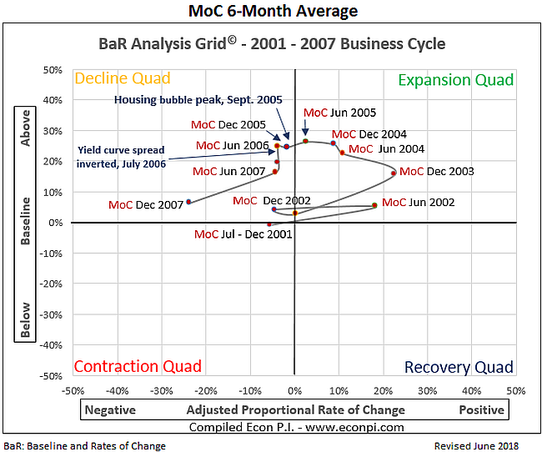
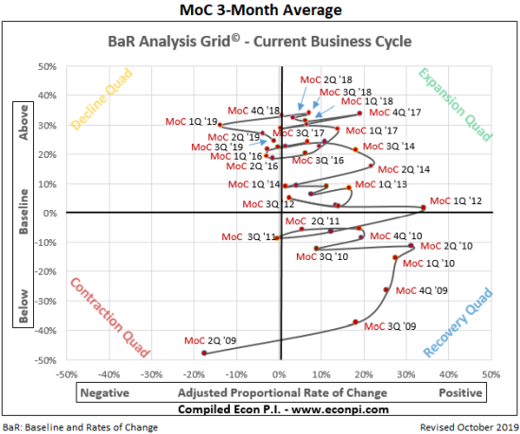

 | Table 1: 2001 - 2007 Business Cycle |  |  |  |  |  |  |  | Table 2: 2009 - Present Business Cycle
 |  | 2001 | 2002 | 2003 | 2004 | 2005 | 2006 | 2007 |  | 2009 | 2010 | 2011 | 2012 | 2013 | 2014 | 2015 | 2016 | 2017 | 2018
 | Real GDP Growth Rate* |  |  |  |  |  |  |  | Real GDP Growth Rate*
 | Average Mid- and End-Cycle |  | 2001 to 2004 = |  | 0.00% | 2005 to 2007 = |  | 0.00% | Average Early and Later Cycle |  | 2009 to 2013 = |  |  | 0.00% |  | 2014 to 2018 = |  |  | 0.00%
 | Average Last Two Years |  |  |  |  | 2006 to 2007 = |  | 0.00% | Average Last Two Years |  |  |  |  |  |  | 2017 to 2018 = |  |  | 0.00%

 | Avg Inflation Rate* |  |  |  |  |  |  |  | Avg Inflation Rate* |  |  |  |  |  |  |  |  |  | 2.40%
 | Average Mid- and End-Cycle |  | 2001 to 2004 = |  | 0.00% | 2005 to 2007 = |  | 0.00% | Average Early and Later Cycle |  | 2009 to 2013 = |  |  | 0.00% |  | 2014 to 2018 = |  |  | 2.40%
 | Average Last Two Years |  |  |  |  | 2006 to 2007 = |  | 0.00% | Average Last Two Years |  |  |  |  |  |  | 2017 to 2018 = |  |  | 2.40%

 | Unemployment Rate** |  |  |  |  |  |  |  | Unemployment Rate** |  |  |  |  |  |  |  |  |  | 4.00%
 | Average Mid- and End-Cycle |  | 2001 to 2004 = |  | 0.00% | 2005 to 2007 = |  | 0.00% | Average Early and Later Cycle |  | 2009 to 2013 = |  |  | 0.00% |  | 2014 to 2018 = |  |  | 4.00%
 | Average Last Two Years |  |  |  |  | 2006 to 2007 = |  | 0.00% | Average Last Two Years |  |  |  |  |  |  | 2017 to 2018 = |  |  | 4.00%
 | * Use annual average rates |  |  |  |  |  |  |  | * Use annual average rates
 | ** Use Jan. 1 of next year; e.g., for 2018 use Jan. 1, 2019 |  |  |  |  |  |  |  | ** Use Jan. 1 of next year; e.g., for 2018 use Jan. 1, 2019
 | Sources:
 | Real annual GDP growth rates: |  | http://www.multpl.com/us-real-gdp-growth-rate/table/by-year
 | Average annual inflation rates: |  | https://www.usinflationcalculator.com/inflation/historical-inflation-rates/
 | Annual unemployment rates: |  | http://www.multpl.com/unemployment/table

