Growth
Economic Growth
(Permission to use BaR grids has been granted by Econ P.I. - www.econpi.com)

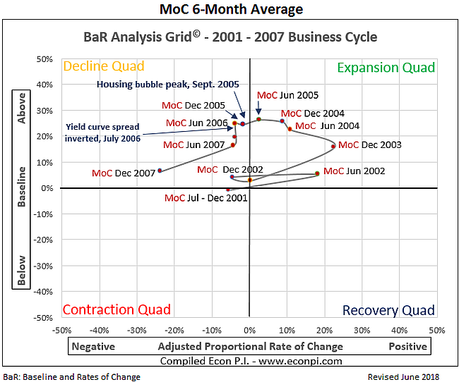
 | 2001 - 2007 Business Cycle
 |  |  | Production Possibilities Curve (PPC) #1
PPC1
PC2
PPC3

 |  |  | PPC1: | Farthest extent of PPC during previous business
 |  |  |  | cycle (1991 - 2001)
 |  |  | PC2: | Decreased capacity utilization due to 2001 recession;
 |  |  |  | the production curve (PC2) is below capacity and
 |  |  |  | full production possibilities are not being realized
 |  |  | PPC3: | Farthest extent of PPC during 2001 - 2007 business cycle
 |  | Scroll down
 |  | for assignment | Short-term: The shift from PC2 to PPC1 is a short-term increase
 |  |  | in capacity utilization; unused capacity is gradually being used
 |  |  | until full capacity is reached.

 |  |  | Long-term: The shift from PCC1 to PPC3 is a long-term increase
 |  |  | in capacity utilization; new capacity is being developed and used.
 |  |  | PPC3 pushes outward as long as the MoC is above the baseline,
 |  |  | the horizontal line that is the recession indicator. In the Decline
 |  |  | quadrant, economic growth has slowed, but it is still positive.

 |  |  | To do:
 |  |  | On the below Production Possibilities Curve, draw the following
 |  |  | curves: (The arc tool in Insert, Shapes can be used)
 | Current Business Cycle |  | 1. MoC 2Q '19. Identify it as PC4 (Go to Insert, Text, Text Box)
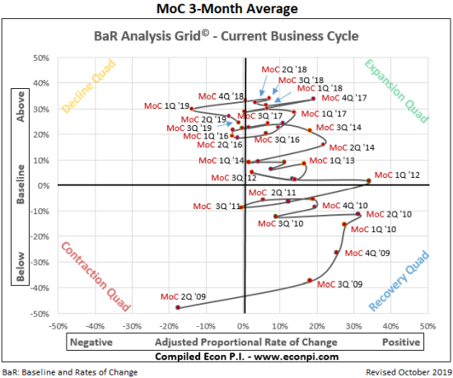
 |  |  | 2. MoC 3Q '19. Identify it as PPC5. The PPC is expanding as long as
 |  |  | the MoC is above the baseline (horizontal line).

 |  |  | Production Possibilities Curve (PPC) #2
PPC3

 |  |  | PPC3: | Farthest extent of PPC during 2001 - 2007 business cycle,
 |  |  |  | as displayed on PPC #1

Productivity
Employee Productivity During Positive Business Cycle Growth

 | Business cycle growth between 1983 - 1990 (Recession ended in 1982; recession started in 1991)
 | Year | 1983 | 1984 | 1985 | 1986 | 1987 | 1988 | 1989 | 1990 | % Increase 1983 - 1990
 | Real GDP* (in billions) | $7,118 | $7,633 | $7,951 | $8,226 | $8,511 | $8,866 | $9,192 | $9,365 | 31.6%
 | Civilian workforce (in 1000s) | 111,515 | 113,532 | 115,467 | 117,846 | 119,853 | 121,671 | 123,851 | 125,857 | 12.9%
 | Real GDP per worker | $63,830 | $67,232 | $68,860 | $69,803 | $71,012 | $72,869 | $74,218 | $74,410 | 16.6%
 | * Real GDP is expressed in 2012 dollars

GDP per worker increased because real GDP increased more (15.7%) than the civilian workforce (4.2%).
 | Current business cycle growth after last recession
 | Year | 2010 | 2011 | 2012 | 2013 | 2014 | 2015 | 2016 | 2017 | % Increase 2010 - 2017
 | Real GDP* (in billions) | $15,599 | $15,842 | $16,197 | $16,495 | $16,900 | $17,387 | $17,659 | $18,051 | 15.7%
 | Civilian workforce (in 1000s) | 153,885 | 153,624 | 154,974 | 155,398 | 155,916 | 157,134 | 159,191 | 160,310 | 4.2%
 | Real GDP per worker | $101,368 | $103,122 | $104,514 | $106,147 | $108,392 | $110,651 | $110,930 | $112,601 | 11.1%
 | * Real GDP is expressed in 2012 dollars
 |  |  |  |  |  |  |  |  |  | Average
On average, during the current business cycle, a worker produces 52.7% more than a worker during 1983 - 1990.
 | % Increase in Real GDP/Worker 1980s to Current | 58.8% | 53.4% | 51.8% | 52.1% | 52.6% | 51.8% | 49.5% | 51.3% | 52.7%

Percent increase:
(101,368 - 63,830)/63,830 = 58.8%
 |  |  |  |  |  |  | Scroll down
 |  |  |  |  |  |  | for assignment

 | 1. Review the above tables to see how productivity per worker has increased from the 1980s.
 | 2. Refer to Ch. 15 of the textbook. Identify the four sources of productivity growth. Explain how each increases productivity.

 | 1

 | 2

 | 3

 | 4

